Sheet1
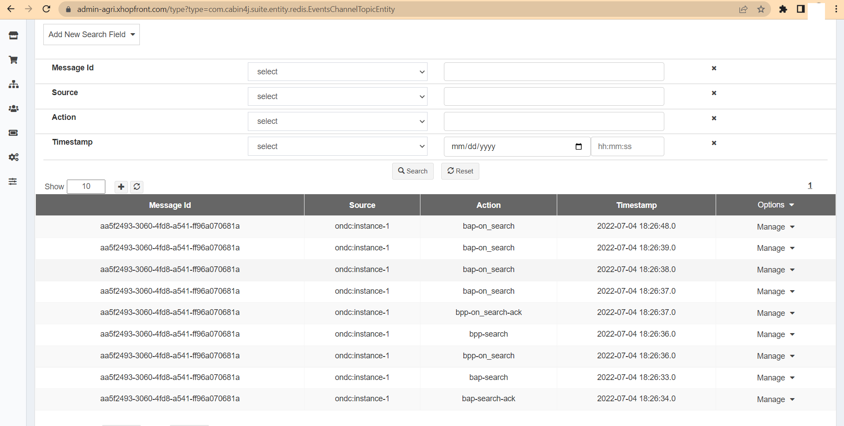
Submission Sheet- Integration Track

 | Organisation | Cabin4j Digital Services
 | Team | Cabin4j
 | Individuals | Arjun Krishna Shukla, Pranav Shukla, Kush Swaroop, Rishabh Kaut, Dhananjay Shaw

 | Challenge | Use Case | Completed | Verification (video / log link) | Logs | Date & time of submission
1 | Problem Statement 1 | Execute a complete transaction, where a farmer is able to place an order for farm inputs from a producer, resulting in order confirmation | Partially | Backgound: We are playing a dual role of both As a Buyer and As a Seller. As a Buyer: Visit https://agri.xhopfront.com/ondc Select City most preferable Banglore as we were not getting response from other cities. The type your search string in the search input box The Search input box is enable with contextulized search which is one of the submission for our innovation track. As a Seller: Whenever a search request is received we run contextulized search over the search term which is one of the submission for our innovation track. The lookup the database which we created using the dataset Farm_input_hackathon.xlsx. and we return the response. To see everthing in action in Real Time please follow the below steps: Step 1: Go to https://admin-agri.xhopfront.com/ and login with credentials User: 'ondcuser' and Password: 'Test@123' Step 2: https://admin-agri.xhopfront.com/type?type=com.cabin4j.suite.entity.redis.EventsChannelTopicEntity Step 3: Enteries with same message Id denotes the conversation between the Buyer and Seller. Step 4: Double Click on any result row and go to 'message' tab to see request sent and response received. Note: We have disabled the deletion of the messages for demo. Action and Their Meaning bap-search: Buyer App initiates a search on ONDC Gateway bap-search-ack: Buyer APP receives an acknowledgement for the initiated search. bpp-search: Seller App receives a search request bpp-on_search: Seller APP responds to the search request on ONDC Gateway bpp-on_search-ack: Seller APP receives an acknowledgement for the response of search request bap-on_search: Buyer APP received response from the ONDC gateways for the search To see the UI implementation of https://agri.xhopfront.com/ondc do the below. You can go to https://admin-agri.xhopfront.com/ and login with below credentials User: ondcuser Password: Test@123 Then click on https://admin-agri.xhopfront.com/type?type=com.cabin4j.suite.entity.cms.CMSPage to v | Refer to server-log.txt | 7/5/22

2 | Problem Statement 2 | Execute a complete transaction, where a farmer is able to place an order for farm inputs from a producer, resulting in order confirmation and fulfillment by any one logistics provider

3 | Problem Statement 3 | Execute a complete transaction, where an FPO / Mandi trader / other wholesaler is able to place an order for farm produce, resulting in order confirmation and fulfillment by a logistics provider

